Introduction
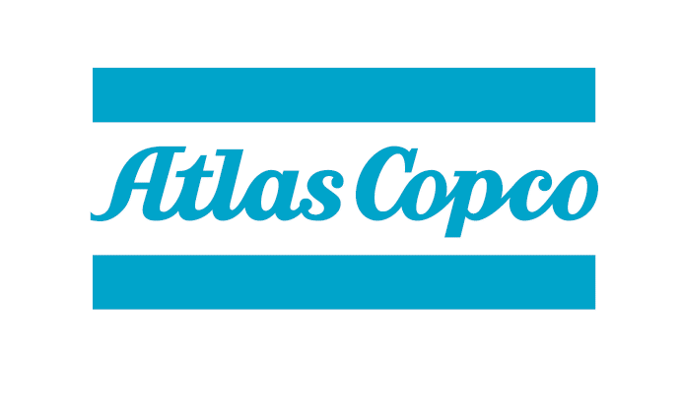

 | January 2018

In this document all individual substances included in Atlas Copco Prohibited and Declarable lists are provided. The information can be sorted by Family, Group or Substance, where:
─ A Family is a group of substances with similar origin e.g. lead and lead compounds, Hydrofluorocarbons (HFC's) etc
─ A Group contains substances with similar properties, e.g. ozon depleting substances, pesticides etc
─ A Substance is a individual element or chemical compunds as parts of materials, products or chemicals

When the entry coveres a group all individual substances inlcluded in that entry are provided and are displayed when clicking on the plus-sign in the left margin.
Information on reason for inclusion to the list is given in the Table. Note that Regardless if the scope of the legal reference is limited to a product type or a region Atlas Copco has decided that all listed substances are prohibited in all products deliverd to and sold by the Group unless else is clearly exempted in the list.
Please not that in the short versions of Atlas Copco Prohibited list and Atlas Copco Declarable lists each entry can cover one single substance or a group of substances. If the entry covers a group of substances not all individual substances inlcuded are provided.

Complying with Atlas Copco Prohibited and Declarable lists
Atlas Copco maintains lists of substances that are either prohibited or restricted due to their potential negative impact on health or the environment. Compliance with these lists is part of the 10-point checklist for evaluating business partners. Substances of concern (SoC) are substances that may pose a risk to human health or the environment. To ensure Atlas Copco products and processes meets legal and customer requirements, and that exposure to hazardous chemicals and materials is minimized some SoC’s are limited to use in Atlas Copco products and processes.

Distinction is made between Prohibited, Phase-out and Declarable substances:
─ Prohibited substances must not be included unless clearly exempted in the list
─ Phase-out substances will soon be included in Prohibited list and must be phased out
─ Declarable substances must be reported

Compliance with Atlas Copco Prohibited list and correct declaration of Declarable substances is part of the 10-Criteria letter for suppliers.

Scope:
─ Products sold by Atlas
─ Items delivered to Atlas Copco by any business partners like suppliers, contractors, subcontractors, joint venture partners, agents etc.
─ Production processes outsourced by Atlas Copco

Business partners shall check for compliance using the lists (lined below) and take following actions:

